input form
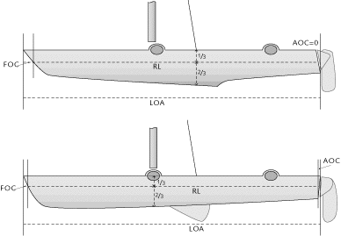
Texel Rating measurement page 1 | 2019-06-13
 |  | Determination of the rated length
type | Test Nacra 20 |  |  | Texel Rating, no spi |  |  | 90
number of crew | 2 |  |  | Texel Rating, incl. spi |  |  | 86
date | 2019-06-07
sailor | TestSailor
measurer | TheMeasurer |  |  |  | Determination of the sailarea jib
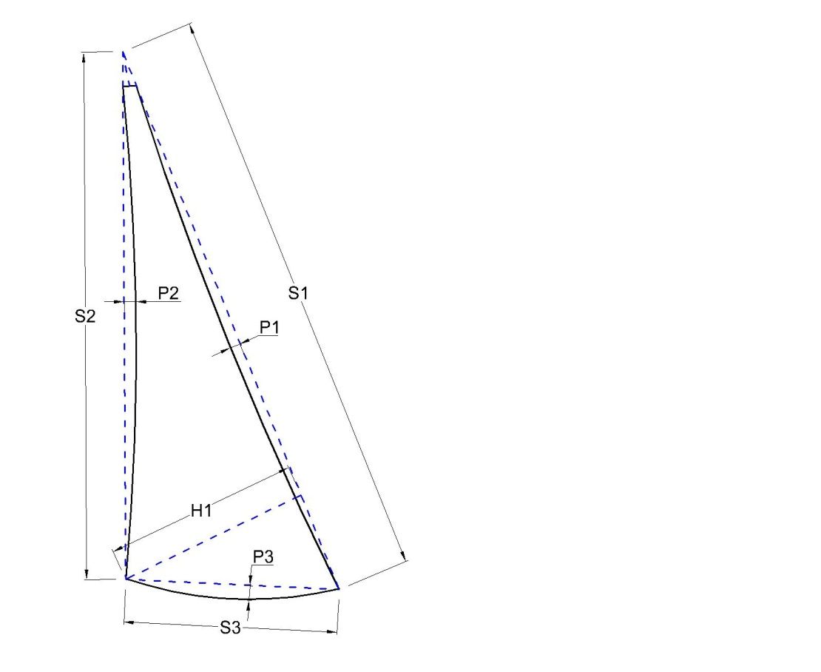
Main button nr | 111
jib button nr | 222 |  |  |  |  |  | measurements
Spi button nr | 333
hull button | 444
sail number | 999999 |  |  |  |  | S1 = | 7.39
One-off (** if yes) |  |  |  |  |  | H1 = | 1.51 | 5.579
LOA (maximum hull length) | 6.2 |  |  |  |  | P1 = | -0.005 | -0.025
RL (Rated Length hull) | 6.2 |  |  |  |  | S2 = | 7.39
LB (Length Board, if not “straight”) | 2.35 |  |  |  |  | P2 = | -0.06 | -0.296
Beam over all | 3.2 |  |  |  |  | S3 = | 1.595
circ. mast | 0.42 |  |  |  |  | P3 = | 0.055 | 0.058
nr. trapezes | 2 |  |  |  |  | total |  | 5.318
weight excl.spi OR |  |  |  |  |  | OR rtotal without details
weight incl.spi | 192
total mast length | 10.45
remarks | Test
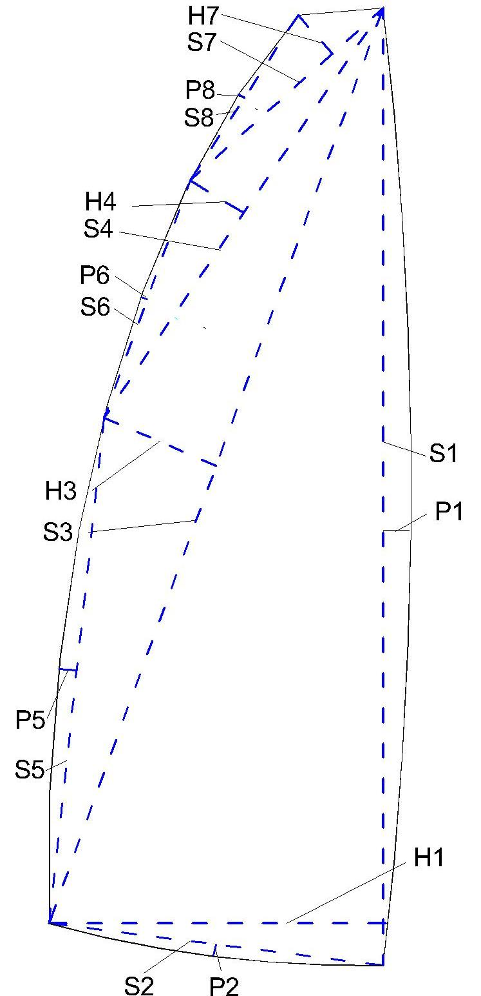
Determination of the sailarea main

S1 = | 10.03
H1 = | 2.395 | 12.011
P1 = | 0.14 | 0.936
S2 =
P2 = | 0.00 | 0.00
S3 = | 9.76 |  |  | Determination of the sailarea spinnaker
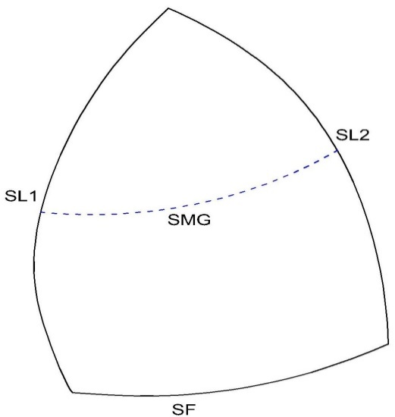
H3 = | 0.66 | 3.221
S4 = | 4.62
H4 = | 0.64 | 1.478
S5 = |  |  |  |  |  | measurements
P5 = |  | 0.00
S6 =
P6 = |  | 0.00 |  |  |  | SL1 = | 9.80
S7 = | 2.41 |  |  |  |  | SL2 = | 8.50
H7 = | 1.00 | 1.205 |  |  |  | SF = | 4.52
S8 = | 2.00 |  |  |  |  | SMG = | 3.44
P8 = | 0.015 | 0.02 |  |  |  | total |  | 27.877
total calculated |  | 18.871 |  |  |  | smg/sf |  | 0.761
OR total area without details |  |  |  |  |  | OR total without details
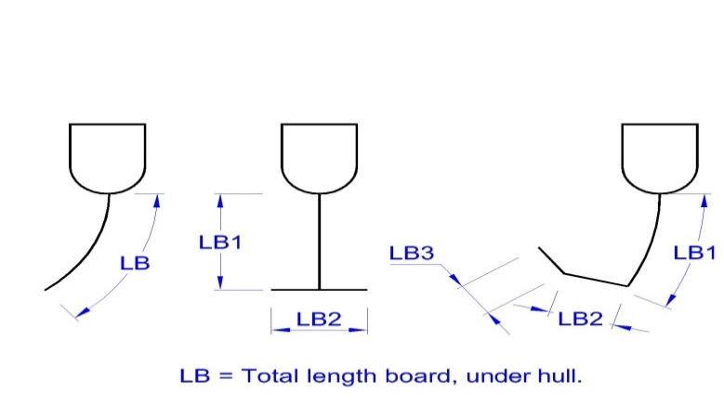

 |  |  | Notes:
 |  |  | LB (length board): fill in either: Length of non straight board OR “no” if no boads OR leave blank for straight board
 |  |  | Yellow cells are required for calculation
 |  |  | Blue cells are optional: if no details ae available then the actual area can be used

